Job Details

Job Number & Name: | 35084 LB Bexley
Site Number/Name: | Site 1 - Colyers Lane
Client: | Waterman
Date: | 2023-03-30

Site Plan
Advanced Transport Research |  |  | Job Number & Name: | 35084 LB Bexley
Site 1 - Colyers Lane |  |  | Date: | 2023-03-30

Job Type: | Pedestrian & Vehicle Count
Co-ordinates: | 51°28'16.16"N, 0° 9'41.25"E | Postcode: | DA8 3NE |  | Times: | 0730-0930 1430-1630

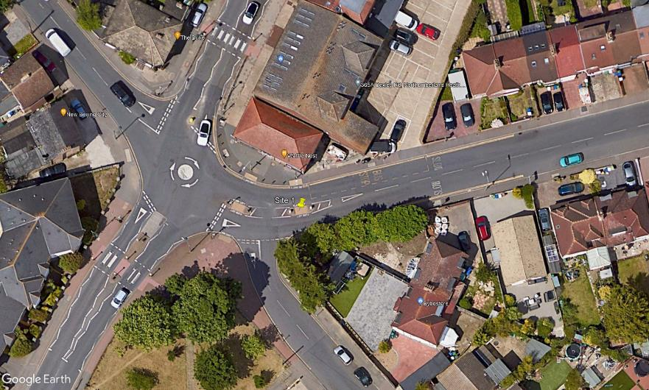
N

Colyers Lane
D

1
A
B
3
C
2

Barnehurst Avenue

